ELEC
 |  |  |  |  |  |  |  |  |  |  |  |  |  | 1-May-18
RETAIL PERFORMANCE INDICATORS TEMPLATE
Electricity
Send submissions to: compliance.reporting@esc.vic.gov.au
 | (insert retailer name here)
 |  |  | Jul-17 | Aug-17 | Sep-17 | Oct-17 | Nov-17 | Dec-17 | Jan-18 | Feb-18 | Mar-18 | Apr-18 | May-18 | Jun-18 | Comments
Ref | Background indicators
B010 | Residential Electricity Customers on standard retail contracts
B020 | Residential Electricity Customers on market retail contracts
B030 | Small Business Electricity Customers on standard retail contracts (<40MWh)
B040 | Small Business Electricity Customers on market retail contracts (<40MWh)
B050 | Business Electricity Customers (40-100 MWh)
B060 | Business Electricity Customers (100-160 MWh)
B070 | Business Electricity Customers (> 160 MWh)
B021 | Customers with Feed-in Tariff (as per EIA s40NC)
Ref | Call centre and complaint indicators
CC010 | Calls to account line | All residential energy customers (annual total)
CC020 | Calls to an operator | All residential energy customers (annual total)
CC030 | Calls to an operator responded to within 30 seconds | All residential energy customers (annual total)
CC040 | Average waiting time - seconds | All residential energy customers (annual total)
CC050 | Abandoned calls | All residential energy customers (annual total)
C010 | Complaints - billing | Residential
DRAFT VERSION
FOR CONSULTATION
 |  | Small business
C020 | Complaints - marketing | Residential
 |  | Small business
C030 | Complaints - customer transfers | Residential
 |  | Small business
C040 | Complaints - other | Residential
 |  | Small business
Ref | Payment difficulty indicators
 | Customer number indicators
 | Residential customers receiving standard assistance | Residential
 | Residential customers receiving tailored assistance | Residential (who can pay on-going usage)
 |  | Residential (who cannot pay on-going usage)
 | Residential customers who accessed both standard and tailored assistance | Residential
 | Residential customers who implemented practical assstiance measures | Residential
H090 | Residential customers no longer receiving tailored assistance because of no arrears | Residential
H100 | Residential customers no longer receiving tailored assistance due to transfer | Residential
H110 | Residential customers no longer receiving tailored assistance due to unreasonable customer action | Residential
H080 | Average duration of residential customers receiving taillored assistance | Residential - length (days)
B180 | Notices delivered to residential customers relating to payment difficulty | Notifications of suspended assistance
 |  | Disconnection warning notices
D010 | Estimated accounts | Residential
 |  | Small business
D030 | Refundable advances | Residential - number
D040 |  | Residential - amount ($)
D030 |  | Small business - number
D040 |  | Small business - amount ($)
 | Arrears indicators
H070 | Average arrears of residential customers receiving tailored assistance | Residential - amount ($)
H050 | Average arrears of residentilal customers commencing tailored assistance | Residential - amount ($)
H060 | Residential customers commencing taillored assistance, with arrears | (a) Between $55 and $500
 |  | (b) Over $500 but less than $1,500
 |  | (c) Over $1,500 but less than $2,500
 |  | (d) $2,500 or more
 | Residential customers receiving assistance, with aged arrears (12-24 months) | over $1000 but less than $1500
 |  | over $1500 but less than $2500
 |  | over $2500
 | Residential customers receiving assistance, with aged arrears (more than 24 months) | over $1000 but less than $1500
 |  | over $1500 but less than $2500
 |  | over $2500
 | Residential customers not receiving assistance, with aged arrears (12-24 months) | over $1000 but less than $1500
 |  | over $1500 but less than $2500
 |  | over $2500
 | Disconnections indicators
D050B | Disconnections for unreasonable customer action | Residential
D050A | Disconnections for non-payment | Small business
 | Disconnections of residential customers who did not receive assistance | Residential
D051A | Other disconnections | Residential
D051B |  | Small business
D060B | Reconnections within 7 days | Residential
D060A |  | Small business
D090 | Disconnections on more than one occasion | Residential
D100 | Disconnections of energy concession customers | Residential
D130 | Reconnections of energy concession customers | Residential
 | Residential customers where their arrears were sold after disconnection | Residential
 | Residential customers with arrears at disconnection | (a) Between $55 and $500
 |  | (b) Over $500 but less than $1,500
 |  | (c) Over $1,500 but less than $2,500
 |  | (d) $2,500 or more

GAS
 |  |  |  |  |  |  |  |  |  |  |  |  |  | 1-May-18
RETAIL PERFORMANCE INDICATORS TEMPLATE
Gas
Send submissions to: compliance.reporting@esc.vic.gov.au
 | (insert retailer name here)
 |  |  | Jul-17 | Aug-17 | Sep-17 | Oct-17 | Nov-17 | Dec-17 | Jan-18 | Feb-18 | Mar-18 | Apr-18 | May-18 | Jun-18 | Comments
Ref | Background indicators
B080 | Residential Gas Customers on standard retail contracts
B090 | Residential Gas Customers on market retail contracts
B100 | Small Business Gas Customers on standard retail contracts (<1000GJ)
B110 | Small Business Gas Customers on market retail contracts (<1000GJ)
B120 | Large Retail Gas Customers (>1000GJ)
Ref | Call centre and complaint indicators
CC010 | Calls to account line (only if not lodging in ELEC tab) | All residential energy customers (annual total)
CC020 | Calls to an operator (only if not lodging in ELEC tab) | All residential energy customers (annual total)
CC030 | Calls to an operator responded to within 30 seconds (only if not lodging in ELEC tab) | All residential energy customers (annual total)
CC040 | Average waiting time - seconds (only if not lodging in ELEC tab) | All residential energy customers (annual total)
CC050 | Abandoned calls (only if not lodging in ELEC tab) | All residential energy customers (annual total)
C010 | Complaints - billing | Residential
 |  | Small business
C020 | Complaints - marketing | Residential
 |  | Small business
DRAFT VERSION
FOR CONSULTATION
C030 | Complaints - customer transfers | Residential
 |  | Small business
C040 | Complaints - other | Residential
 |  | Small business
Ref | Payment difficulty indicators
 | Customer number indicators
 | Residential customers receiving standard assistance | Residential
 | Residential customers receiving tailored assistance | Residential (who can pay on-going usage)
 |  | Residential (who cannot pay on-going usage)
 | Residential customers who accessed both standard and tailored assistance | Residential
 | Residential customers who implemented practical assstiance measures | Residential
H090 | Residential customers no longer receiving tailored assistance because of no arrears | Residential
H100 | Residential customers no longer receiving tailored assistance due to transfer | Residential
H110 | Residential customers no longer receiving tailored assistance due to unreasonable customer action | Residential
H080 | Average duration of residential customers receiving taillored assistance | Residential - length (days)
B180 | Notices delivered to residential customers relating to payment difficulty | Notifications of suspended assistance
 |  | Disconnection warning notices
D010 | Estimated accounts | Residential
 |  | Small business
D030 | Refundable advances | Residential - number
D040 |  | Residential - amount ($)
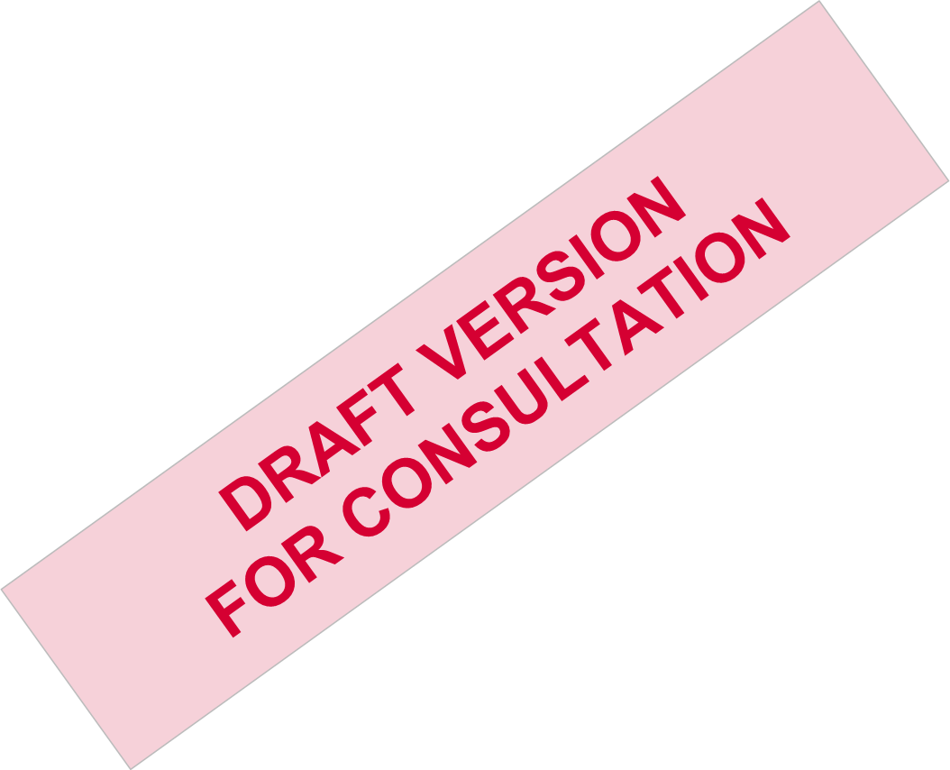
D030 |  | Small business - number
D040 |  | Small business - amount ($)
 | Arrears indicators
H070 | Average arrears of residential customers receiving tailored assistance | Residential - amount ($)
H050 | Average arrears of residential customers commencing tailored assistance | Residential - amount ($)
H060 | Residential customers commencing taillored assistance, with arrears | (a) Between $55 and $500
 |  | (b) Over $500 but less than $1,500
 |  | (c) Over $1,500 but less than $2,500
 |  | (d) $2,500 or more
 | Residential customers receiving assistance, with aged arrears (12-24 months) | over $1000 but less than $1500
 |  | over $1500 but less than $2500
 |  | over $2500
 | Residential customers receiving assistance, with aged arrears (more than 24 months) | over $1000 but less than $1500
 |  | over $1500 but less than $2500
 |  | over $2500
 | Residential customers not receiving assistance, with aged arrears (12-24 months) | over $1000 but less than $1500
 |  | over $1500 but less than $2500
 |  | over $2500
 | Disconnections indicators
D050B | Disconnections for unreasonable customer action | Residential
D050A | Disconnections for non-payment | Small business
 | Disconnections of residential customers who did not receive assistance | Residential
D051A | Other disconnections | Residential
D051B |  | Small business
D060B | Reconnections within 7 days | Residential
D060A |  | Small business
D090 | Disconnections on more than one occasion | Residential
D100 | Disconnections of energy concession customers | Residential
D130 | Reconnections of energy concession customers | Residential
 | Residential customers where their arrears were sold after disconnection | Residential
 | Residential customers with arrears at disconnection | (a) Between $55 and $500
 |  | (b) Over $500 but less than $1,500
 |  | (c) Over $1,500 but less than $2,500
 |  | (d) $2,500 or more

